TOTAL
Alkalmazott szűrők: Highlighted nem egyezik ezzel: (Üres) Arrival_date ekkori vagy későbbi a következőnél: 2026.02.23. 0:00:00 és dátuma korábbi, mint 2026.03.02. 0:00:00 Mandatory egyezik ezzel: Yes LSP egyezik ezzel: Maersk Canceled_shipment egyezik ezzel: N

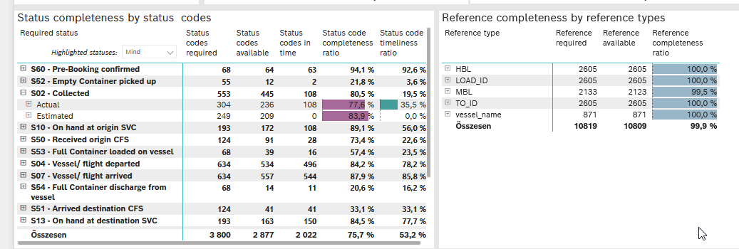
Required status | STATUS_TYPE | Service_Provider | Status codes required | Status codes available | Status codes in time | Status code completeness ratio | Status code timeliness ratio
S60 - Pre-Booking confirmed | Actual | 0000056066 - Maersk | 68 | 64 | 63 | 94.1 % | 92.6 %
S52 - Empty Container picked up | Actual | 0000056066 - Maersk | 55 | 12 | 2 | 21.8 % | 3.6 %
S02 - Collected | Actual | 0000056066 - Maersk | 304 | 236 | 108 | 77.6 % | 35.5 %
S02 - Collected | Estimated | 0000056066 - Maersk | 249 | 209 | 0 | 83.9 % | 0.0 %
S10 - On hand at origin SVC | Actual | 0000056066 - Maersk | 193 | 172 | 108 | 89.1 % | 56.0 %
S50 - Received origin CFS | Actual | 0000056066 - Maersk | 124 | 91 | 28 | 73.4 % | 22.6 %
S53 - Full Container loaded on vessel | Actual | 0000056066 - Maersk | 68 | 39 | 16 | 57.4 % | 23.5 %
S04 - Vessel/ flight departed | Actual | 0000056066 - Maersk | 317 | 267 | 260 | 84.2 % | 82.0 %
S04 - Vessel/ flight departed | Estimated | 0000056066 - Maersk | 317 | 267 | 236 | 84.2 % | 74.4 %
S07 - Vessel/ flight arrived | Actual | 0000056066 - Maersk | 317 | 277 | 274 | 87.4 % | 86.4 %
S07 - Vessel/ flight arrived | Estimated | 0000056066 - Maersk | 317 | 280 | 270 | 88.3 % | 85.2 %
S54 - Full Container discharge from vessel | Actual | 0000056066 - Maersk | 68 | 14 | 11 | 20.6 % | 16.2 %
S51 - Arrived destination CFS | Actual | 0000056066 - Maersk | 124 | 41 | 41 | 33.1 % | 33.1 %
S13 - On hand at destination SVC | Actual | 0000056066 - Maersk | 193 | 163 | 150 | 84.5 % | 77.7 %
S45 - Handover to broker | Actual | 0000056066 - Maersk | 92 | 39 | 36 | 42.4 % | 39.1 %
S45 - Handover to broker | Estimated | 0000056066 - Maersk | 92 | 25 | 20 | 27.2 % | 21.7 %
S05 - In delivery | Actual | 0000056066 - Maersk | 278 | 193 | 169 | 69.4 % | 60.8 %
S31 - Delivered | Actual | 0000056066 - Maersk | 278 | 223 | 38 | 80.2 % | 13.7 %
S31 - Delivered | Estimated | 0000056066 - Maersk | 278 | 212 | 139 | 76.3 % | 50.0 %
S55 - Empty Container returned | Actual | 0000056066 - Maersk | 68 | 53 | 53 | 77.9 % | 77.9 %

BCO
Alkalmazott szűrők: Highlighted nem egyezik ezzel: (Üres) Arrival_date ekkori vagy későbbi a következőnél: 2026.02.23. 0:00:00 és dátuma korábbi, mint 2026.03.02. 0:00:00 Mandatory egyezik ezzel: Yes LSP egyezik ezzel: Maersk Service_Load egyezik ezzel: BCO Canceled_shipment egyezik ezzel: N

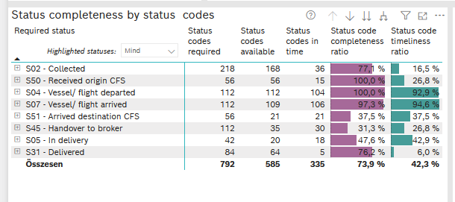
Required status | STATUS_TYPE | Service_Provider | Status codes required | Status codes available | Status codes in time | Status code completeness ratio | Status code timeliness ratio
S02 - Collected | Actual | 0000056066 - Maersk | 109 | 84 | 36 | 77.1 % | 33.0 %
S02 - Collected | Estimated | 0000056066 - Maersk | 109 | 84 | 0 | 77.1 % | 0.0 %
S50 - Received origin CFS | Actual | 0000056066 - Maersk | 56 | 56 | 15 | 100.0 % | 26.8 %
S04 - Vessel/ flight departed | Actual | 0000056066 - Maersk | 56 | 56 | 55 | 100.0 % | 98.2 %
S04 - Vessel/ flight departed | Estimated | 0000056066 - Maersk | 56 | 56 | 49 | 100.0 % | 87.5 %
S07 - Vessel/ flight arrived | Actual | 0000056066 - Maersk | 56 | 53 | 53 | 94.6 % | 94.6 %
S07 - Vessel/ flight arrived | Estimated | 0000056066 - Maersk | 56 | 56 | 53 | 100.0 % | 94.6 %
S51 - Arrived destination CFS | Actual | 0000056066 - Maersk | 56 | 21 | 21 | 37.5 % | 37.5 %
S45 - Handover to broker | Actual | 0000056066 - Maersk | 56 | 26 | 25 | 46.4 % | 44.6 %
S45 - Handover to broker | Estimated | 0000056066 - Maersk | 56 | 9 | 5 | 16.1 % | 8.9 %
S05 - In delivery | Actual | 0000056066 - Maersk | 42 | 20 | 18 | 47.6 % | 42.9 %
S31 - Delivered | Actual | 0000056066 - Maersk | 42 | 37 | 5 | 88.1 % | 11.9 %
S31 - Delivered | Estimated | 0000056066 - Maersk | 42 | 27 | 0 | 64.3 % | 0.0 %

FCL
Alkalmazott szűrők: Highlighted nem egyezik ezzel: (Üres) Arrival_date ekkori vagy későbbi a következőnél: 2026.02.23. 0:00:00 és dátuma korábbi, mint 2026.03.02. 0:00:00 Mandatory egyezik ezzel: Yes LSP egyezik ezzel: Maersk Service_Load egyezik ezzel: FCL Canceled_shipment egyezik ezzel: N

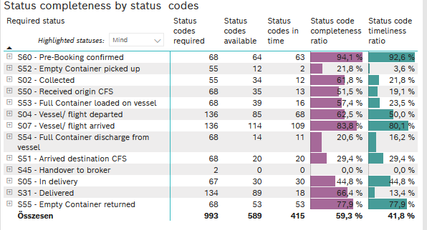
Required status | STATUS_TYPE | Service_Provider | Status codes required | Status codes available | Status codes in time | Status code completeness ratio | Status code timeliness ratio
S60 - Pre-Booking confirmed | Actual | 0000056066 - Maersk | 68 | 64 | 63 | 94.1 % | 92.6 %
S52 - Empty Container picked up | Actual | 0000056066 - Maersk | 55 | 12 | 2 | 21.8 % | 3.6 %
S02 - Collected | Actual | 0000056066 - Maersk | 55 | 34 | 12 | 61.8 % | 21.8 %
S50 - Received origin CFS | Actual | 0000056066 - Maersk | 68 | 35 | 13 | 51.5 % | 19.1 %
S53 - Full Container loaded on vessel | Actual | 0000056066 - Maersk | 68 | 39 | 16 | 57.4 % | 23.5 %
S04 - Vessel/ flight departed | Actual | 0000056066 - Maersk | 68 | 46 | 44 | 67.6 % | 64.7 %
S04 - Vessel/ flight departed | Estimated | 0000056066 - Maersk | 68 | 39 | 24 | 57.4 % | 35.3 %
S07 - Vessel/ flight arrived | Actual | 0000056066 - Maersk | 68 | 57 | 57 | 83.8 % | 83.8 %
S07 - Vessel/ flight arrived | Estimated | 0000056066 - Maersk | 68 | 57 | 52 | 83.8 % | 76.5 %
S54 - Full Container discharge from vessel | Actual | 0000056066 - Maersk | 68 | 14 | 11 | 20.6 % | 16.2 %
S51 - Arrived destination CFS | Actual | 0000056066 - Maersk | 68 | 20 | 20 | 29.4 % | 29.4 %
S45 - Handover to broker | Actual | 0000056066 - Maersk | 1 | 0 | 0 | 0.0 % | 0.0 %
S45 - Handover to broker | Estimated | 0000056066 - Maersk | 1 | 0 | 0 | 0.0 % | 0.0 %
S05 - In delivery | Actual | 0000056066 - Maersk | 67 | 30 | 30 | 44.8 % | 44.8 %
S31 - Delivered | Actual | 0000056066 - Maersk | 67 | 52 | 13 | 77.6 % | 19.4 %
S31 - Delivered | Estimated | 0000056066 - Maersk | 67 | 37 | 5 | 55.2 % | 7.5 %
S55 - Empty Container returned | Actual | 0000056066 - Maersk | 68 | 53 | 53 | 77.9 % | 77.9 %

LCL
Alkalmazott szűrők: Highlighted nem egyezik ezzel: (Üres) Arrival_date ekkori vagy későbbi a következőnél: 2026.02.23. 0:00:00 és dátuma korábbi, mint 2026.03.02. 0:00:00 Mandatory egyezik ezzel: Yes LSP egyezik ezzel: Maersk Service_Load egyezik ezzel: LCL Canceled_shipment egyezik ezzel: N

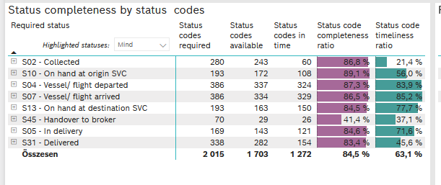
Required status | STATUS_TYPE | Service_Provider | Status codes required | Status codes available | Status codes in time | Status code completeness ratio | Status code timeliness ratio
S02 - Collected | Actual | 0000056066 - Maersk | 140 | 118 | 60 | 84.3 % | 42.9 %
S02 - Collected | Estimated | 0000056066 - Maersk | 140 | 125 | 0 | 89.3 % | 0.0 %
S10 - On hand at origin SVC | Actual | 0000056066 - Maersk | 193 | 172 | 108 | 89.1 % | 56.0 %
S04 - Vessel/ flight departed | Actual | 0000056066 - Maersk | 193 | 165 | 161 | 85.5 % | 83.4 %
S04 - Vessel/ flight departed | Estimated | 0000056066 - Maersk | 193 | 172 | 163 | 89.1 % | 84.5 %
S07 - Vessel/ flight arrived | Actual | 0000056066 - Maersk | 193 | 167 | 164 | 86.5 % | 85.0 %
S07 - Vessel/ flight arrived | Estimated | 0000056066 - Maersk | 193 | 167 | 165 | 86.5 % | 85.5 %
S13 - On hand at destination SVC | Actual | 0000056066 - Maersk | 193 | 163 | 150 | 84.5 % | 77.7 %
S45 - Handover to broker | Actual | 0000056066 - Maersk | 35 | 13 | 11 | 37.1 % | 31.4 %
S45 - Handover to broker | Estimated | 0000056066 - Maersk | 35 | 16 | 15 | 45.7 % | 42.9 %
S05 - In delivery | Actual | 0000056066 - Maersk | 169 | 143 | 121 | 84.6 % | 71.6 %
S31 - Delivered | Actual | 0000056066 - Maersk | 169 | 134 | 20 | 79.3 % | 11.8 %
S31 - Delivered | Estimated | 0000056066 - Maersk | 169 | 148 | 134 | 87.6 % | 79.3 %

